SELERA OR STIR UP (Syrup)
DATE | INV NO. | DESCRIPTIONS | QTY | BILLS | PRICE | SUBTOTAL | TOTAL
9-Jan-2026 | SO.03-260021 | MARVELOUS MANGO PET | 3 | 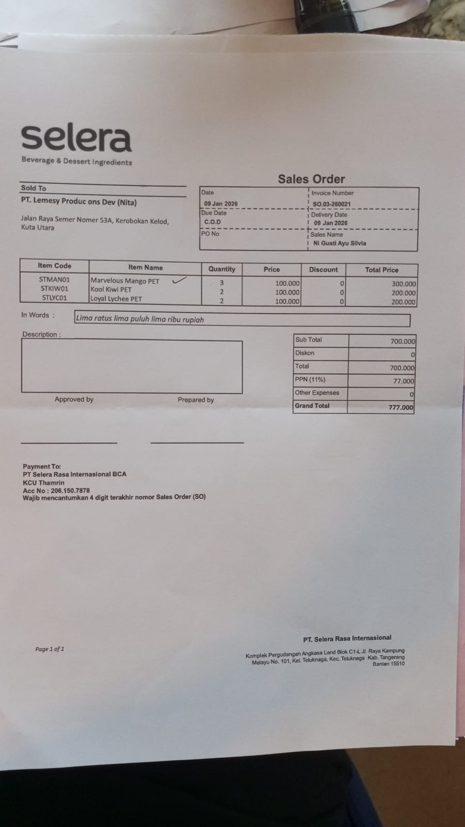 | IDR 100,000 | IDR 300,000 | IDR 700,000
 |  | KOOL KIWI PET | 2 |  | IDR 100,000 | IDR 200,000
 |  | LOYAL LYCHEE PET | 2 |  | IDR 100,000 | IDR 200,000
SUB TOTAL |  |  | 7 |  | PPN (11%) |  | IDR 77,000
TOTAL |  |  |  | Rp777,000.00
12-Jan-2026 | SO.03-260025 | BLISSFUL BLUEBERRY PET | 2 | 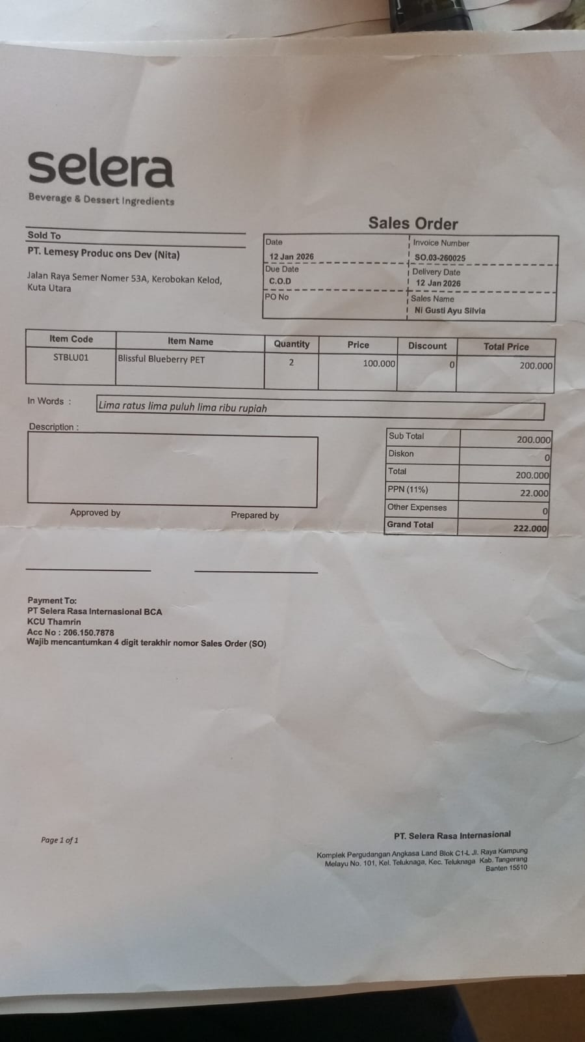 | IDR 100,000 | IDR 200,000 | IDR 200,000
SUB TOTAL |  |  | 2 |  | PPN (11%) |  | IDR 22,000
TOTAL |  |  |  | Rp222,000.00
14-Jan-2026 | SO.03-260026 | CHEERFUL AMARENA CHERRY | 3 | 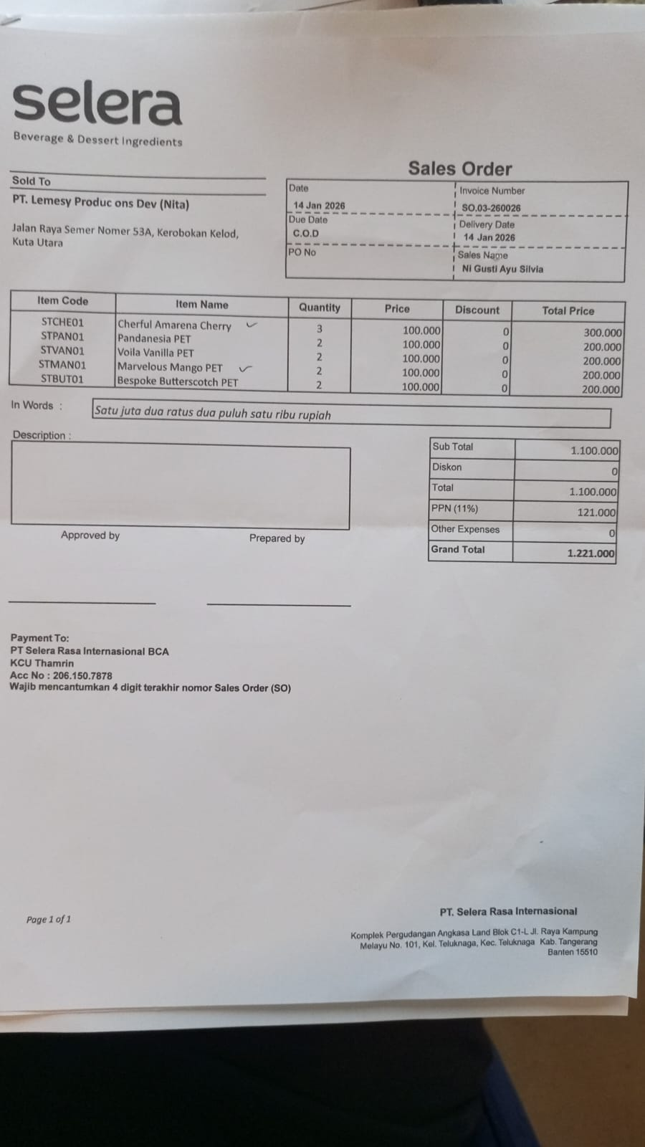 | IDR 100,000 | IDR 300,000 | IDR 1,100,000
 |  | PANDANESIA PET | 2 |  | IDR 100,000 | IDR 200,000
 |  | VOILA VANILLA PET | 2 |  | IDR 100,000 | IDR 200,000
 |  | MARVELOUS MANGO PET | 2 |  | IDR 100,000 | IDR 200,000
 |  | BESPOKE BUTTERSCOTCH PET | 2 |  | IDR 100,000 | IDR 200,000
SUB TOTAL |  |  | 11 |  | PPN (11%) |  | IDR 121,000
TOTAL |  |  |  | Rp1,221,000.00
GRAND TOTAL |  |  |  |  | Rp2,220,000

